VISUALIZATIONS
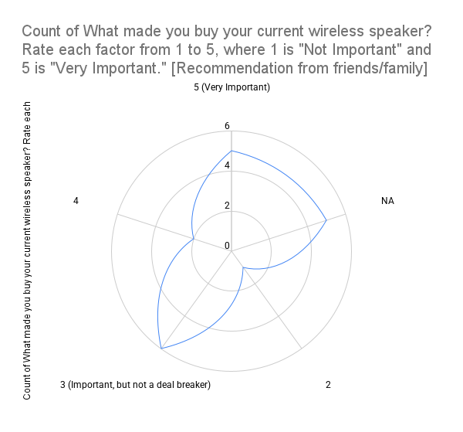
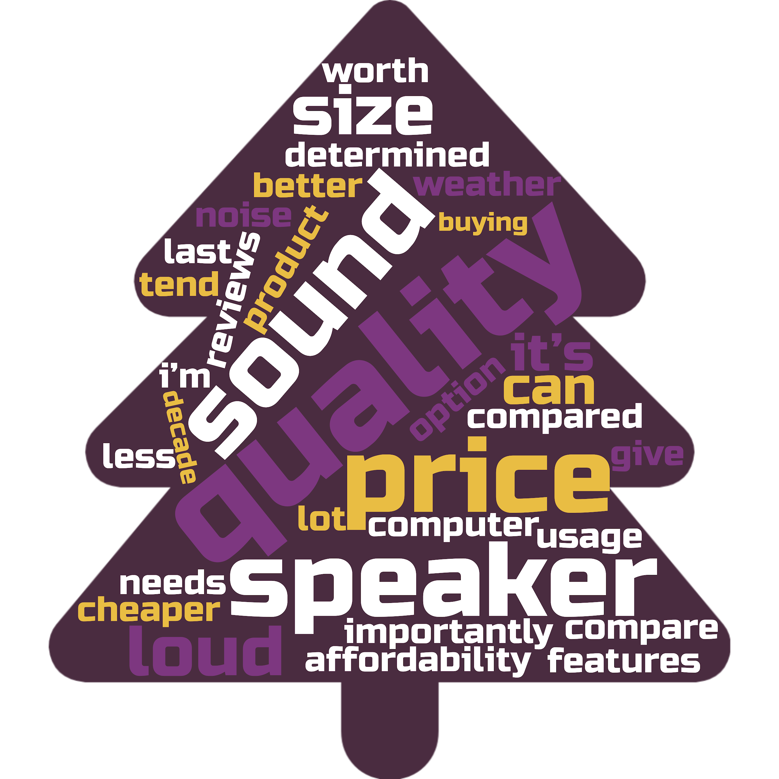
Timestamp | Email Address | Do you own a wireless speaker? | How often do you use your wireless speaker? | How would you rate the sound quality of your wireless speaker? | Please tell us a bit more about your rating of the sound quality of your wireless speaker. | What's most important to you in a wireless speaker? [Sound quality] | What's most important to you in a wireless speaker? [Battery life] | What's most important to you in a wireless speaker? [Design/Looks] | What's most important to you in a wireless speaker? [Connectivity options (e.g., Bluetooth, WiNAFi)] | What's most important to you in a wireless speaker? [Durability] | What's most important to you in a wireless speaker? [Price] | Which brands of wireless speakers do you own or have used before? (Select all that apply) | What made you buy your current wireless speaker? Rate each factor from 1 to 5, where 1 is "Not Important" and 5 is "Very Important." [Recommendation from friends/family] | What made you buy your current wireless speaker? Rate each factor from 1 to 5, where 1 is "Not Important" and 5 is "Very Important." [Online reviews from other customers ] | What made you buy your current wireless speaker? Rate each factor from 1 to 5, where 1 is "Not Important" and 5 is "Very Important." [Expert reviews] | What made you buy your current wireless speaker? Rate each factor from 1 to 5, where 1 is "Not Important" and 5 is "Very Important." [Brand reputation] | What made you buy your current wireless speaker? Rate each factor from 1 to 5, where 1 is "Not Important" and 5 is "Very Important." [Price] |  | What made you buy your current wireless speaker? Rate each factor from 1 to 5, where 1 is "NAt Important" and 5 is "Very Important." [Specific features] | How happy are you with your wireless speaker? | What would make your wireless speaker better? | What do you mostly use your wireless speaker for? (Select all that apply) | Have any other lifestyle changes in the past year changed how you use wireless speakers? (Select all that apply) | How much did you spend on your wireless speaker? (US dollars) | How likely are you to buy a new wireless speaker in the next 12 months? | Where do you like to buy wireless speakers? | How do you think about and evaluate the price when buying a wireless speaker? | How old are you? | What is your gender? | What's your annual household income? | Thanks a bunch for completing our survey! Your feedback is super valuable and will help us understand what consumers want. If you have any extra comments or feedback, please share them below. | Score
7/15/2024 | fedenakashima@gmail.com | Yes | Daily | Excellent | I think it is excellent because I have nothing else to compare it to. | 1 | 3 | 4 | 5 | 2 | 6 | Bose | 5 (Very Important) | 1 (Not Important) | 1 (Not Important) | NA | 5 (Very Important) | 2 | 1 (Not Important) | 5 | If the battery lasted longer | Listening to music, Watching movies/TV shows, Podcasts/Audiobooks | More media consumption (music, movies, games) | Less than $50 | 1 | Large multi brand stores | I compare it to weather it is a better option than my computer sound by itself | 18 - 24 | Female | More than $100,000 | NA
7/15/2024 | victor3flores@yahoo.com | No | NA | NA | NA | NA | NA | NA | NA | NA | NA | NA | NA | NA | NA | NA | NA | NA | NA | NA | NA | NA | NA |  |  | NA | NA | NA | NA | NA | NA
7/15/2024 | joycipaluz@gmail.com | No | NA | NA | NA | NA | NA | NA | NA | NA | NA | NA | NA | NA | NA | NA | NA | NA | NA | NA | NA | NA | NA |  |  | NA | NA | NA | NA | NA | NA
7/15/2024 | kandacelipscomb4@gmail.com | Yes | Once a week | Good | It’s kinda staticky, but it gets the job done (: | 4 | 1 | 3 | 5 | 2 | 6 | JBL | 5 (Very Important) | 2 | 5 (Very Important) | 3 (Important, but not a deal breaker) | 5 (Very Important) | 3 (Important, but not a deal breaker) | 3 (Important, but not a deal breaker) | 3 | Better sound quality | Listening to music, Podcasts/Audiobooks | Spending more time at home, Home workouts | $50 to $100 | 3 | Large multi brand stores | I tend to go cheaper | 18 - 24 | Female | $25,000NA$50,000 | NA
7/15/2024 | lailaball1@icloud.com | Yes | Daily | Excellent | It’s a Bose and it’s the best | 6 | 4 | 2 | 5 | 3 | 1 | Bose, Samsung, Sony | 2 | 3 (Important, but not a deal breaker) | 2 | 2 | 3 (Important, but not a deal breaker) | 5 (Very Important) | 2 | 5 | Bigger | Listening to music, Video/audio calls (work/personal) | More media consumption (music, movies, games) | $100 to $200 | 2 | Large multi brand stores | Usage | 18 - 24 | Female | $50,000NA$75,000 | NA
7/15/2024 | maddij123@gmail.com | Yes | 1-3 times a month | Excellent | It sounds good. Good base. NAt excellent but decent. | 6 | 5 | 1 | 4 | 3 | 2 | Bose, JBL, Sony, Amazon Echo | 3 (Important, but not a deal breaker) | 4 | 4 | 5 (Very Important) | 4 | 4 | 1 (Not Important) | 5 | To be even Louder | Listening to music | More media consumption (music, movies, games) | $50 to $100 | 3 | Large multi brand stores | Price compared to features, sound quality, and speaker size. | 18 - 24 | Female | More than $100,000 | NA
7/15/2024 | lovelacesyrai@gmail.com | Yes | Several times a week | Good | The speaker is good quality and is pretty durable. | 1 | 3 | 5 | 4 | 6 | 2 | Infinitive Sound pro | 5 (Very Important) | 5 (Very Important) | 3 (Important, but not a deal breaker) | 4 | 5 (Very Important) | 3 (Important, but not a deal breaker) | 3 (Important, but not a deal breaker) | 5 | The battery life could make it better. | Listening to music, Watching movies/TV shows, Podcasts/Audiobooks | Spending more time at home, More online social interactions | $50 to $100 | 4 | Large multi brand stores | The price should be determined by the size but most importantly the quality of the sound that the speaker can give. | 18 - 24 | Female | $75,000NA$100,000 | NA
7/15/2024 | naomiaataylor17@gmail.com | No | NA | NA | NA | NA | NA | NA | NA | NA | NA | NA | NA | NA | NA | NA | NA | NA | NA | NA | NA | NA | NA |  |  | NA | NA | NA | NA | NA | NA
7/15/2024 | rishanlg@icloud.com | No | NA | NA | NA | NA | NA | NA | NA | NA | NA | NA | NA | NA | NA | NA | NA | NA | NA | NA | NA | NA | NA |  |  | NA | NA | NA | NA | NA | NA
7/16/2024 | richkiara1519@gmail.com | Yes | Several times a week | Excellent | Good | 6 | 5 | 1 | 2 | 4 | 3 | Bose, JBL | 5 (Very Important) | 5 (Very Important) | 1 (Not Important) | 5 (Very Important) | 5 (Very Important) | 3 (Important, but not a deal breaker) | 3 (Important, but not a deal breaker) | 1 | Louder | Listening to music | Home workouts | $100 to $200 | 3 | Multi brand electronics stores | A lot | 18 - 24 | Female | Prefer not to say | NA
7/16/2024 | hmolysa@gmail.com | Yes | Rarely (fewer than once a month) | Good | It makes the music loud but doesn’t enhance the song or anything. Just sounds like a loud recording | 5 | 4 | 1 | 2 | 3 | 6 | Bose, JBL | 3 (Important, but not a deal breaker) | 4 | 3 (Important, but not a deal breaker) | NA | 5 (Very Important) | 3 (Important, but not a deal breaker) | 1 (Not Important) | 4 | Battery life | Listening to music | Spending more time at home, Working from home more | Less than $50 | 3 | Large multi brand stores | If it’s over $100 it needs to last me a decade | 18 - 24 | Female | Prefer not to say | NA
7/16/2024 | shaterraricherson@gmail.com | Yes | 1-3 times a month | Good | It’s small but very great sound, battery runs quickly | 6 | 5 | 1 | 3 | 2 | 4 | JBL | 3 (Important, but not a deal breaker) | 4 | 4 | 5 (Very Important) | 5 (Very Important) | 2 | 1 (Not Important) | 4 | Better battery life | Listening to music | Spending more time at home | $50 to $100 | 2 | Multi brand electronics stores | How quality the product is | 18 - 24 | Female | More than $100,000 | NA
7/16/2024 | iyonia03@gmail.com | No | NA | NA | NA | NA | NA | NA | NA | NA | NA | NA |  | NA | NA | NA | NA | NA | NA | NA | NA | NA | NA |  |  | NA | NA | NA | NA | NA | NA
7/16/2024 | tukusab21@gmail.com | Yes | Daily | Good | They have good quality but aren’t very consistent | 5 | 3 | 1 | 4 | 2 | 6 | beribes | 3 (Important, but not a deal breaker) | 4 | 2 | 1 (Not Important) | 5 (Very Important) | 2 | 2 | 4 | I like them to be noise cancelling | Listening to music, Watching movies/TV shows, Podcasts/Audiobooks, Work stuff (e.g., webinars, online meetings) | Spending more time at home, Working from home more | Less than $50 | 2 | Large multi brand stores | the reviews | 18 - 24 | Female | Less than $25,000 | NA
7/16/2024 | yohannazberhanu@gmail.com | Yes | Rarely (fewer than once a month) | Excellent | It's clear and crisp | 6 | 5 | 3 | 4 | 2 | 1 | JBL | 4 | 3 (Important, but not a deal breaker) | 4 | 2 | 5 (Very Important) | 3 (Important, but not a deal breaker) | 1 (Not Important) | 4 | designed better/cleaner | Listening to music | Home workouts | $50 to $100 | 3 | Large multi brand stores | affordability | 25 - 34 | Female | $50,000NA$75,000 | NA
7/16/2024 | fanua@usc.edu | Yes | Several times a week | Average | I wish it could be louder and sometimes the sound of the music cuts off when the battery is lower. | 3 | 2 | 1 | 6 | 5 | 4 | Bose, JBL, Samsung, Sony | 3 (Important, but not a deal breaker) | 3 (Important, but not a deal breaker) | 3 (Important, but not a deal breaker) | 3 (Important, but not a deal breaker) | 4 | 4 | 4 | 3 | If the battery lasted longer. | Listening to music | More media consumption (music, movies, games) | Less than $50 | 4 | Department stores | If it’s less then $50 I’m buying it | 18 - 24 | Male | More than $100,000 | NA
7/16/2024 | susakesimon@gmail.com | Yes | 1-3 times a month | Good | It is very loud, and i prefer loudness to quality at a certain point and so for me the quality is great | 6 | 5 | 4 | 3 | 2 | 1 | Bose, JBL | 5 (Very Important) | 4 | 5 (Very Important) | 5 (Very Important) | 5 (Very Important) | 5 (Very Important) | 5 (Very Important) | 5 | cheaper and more accessible because the actual quality is great | Listening to music, Watching movies/TV shows, Podcasts/Audiobooks | Spending more time at home, Working from home more, More online social interactions | Less than $50 | 5 | Department stores | quality of the speaker and how loud the noise is | 18 - 24 | Male | Less than $25,000 | NA
7/16/2024 | mvogelsong741@gmail.com | No | NA | NA | NA | NA | NA | NA | NA | NA | NA | NA | NA | NA | NA | NA | NA | NA | NA | NA | NA | NA | NA |  |  | NA | NA | NA | NA | NA | NA
7/16/2024 | corji513@gmail.com | Yes | Daily | Excellent | It’s excellent | 1 | 2 | 4 | 6 | 5 | 3 | Anker | 3 (Important, but not a deal breaker) | 1 (Not Important) | 1 (Not Important) | 2 | 2 | 2 | 3 (Important, but not a deal breaker) | 5 | Louder | Listening to music | Spending more time at home | Less than $50 | 2 | Large multi brand stores | How loud it can be | 18 - 24 | Male | Less than $25,000 | NA
7/16/2024 | natalialeary2@gmail.com | Yes | Several times a week | Excellent | very loud and crisp | 2 | 4 | 5 | 6 | 3 | 1 | Bose, JBL, Sony | 4 | 5 (Very Important) | 5 (Very Important) | 5 (Very Important) | 5 (Very Important) | 5 (Very Important) | 5 (Very Important) | 5 | the longevity | Listening to music | Spending more time at home, Home workouts | $50 to $100 | 3 | Brand websites | is the price worth it | 18 - 24 | Female | $50,000NA$75,000 | NA
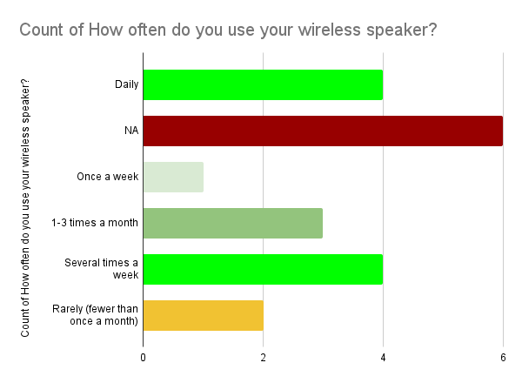
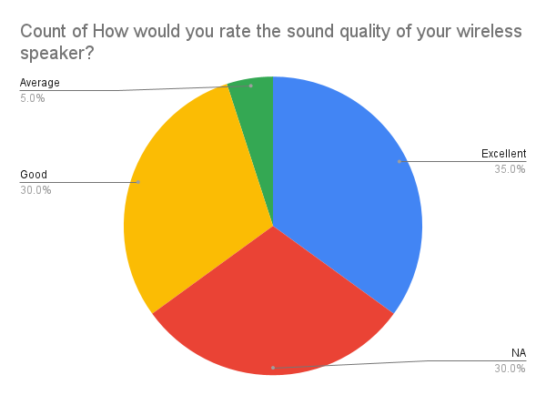
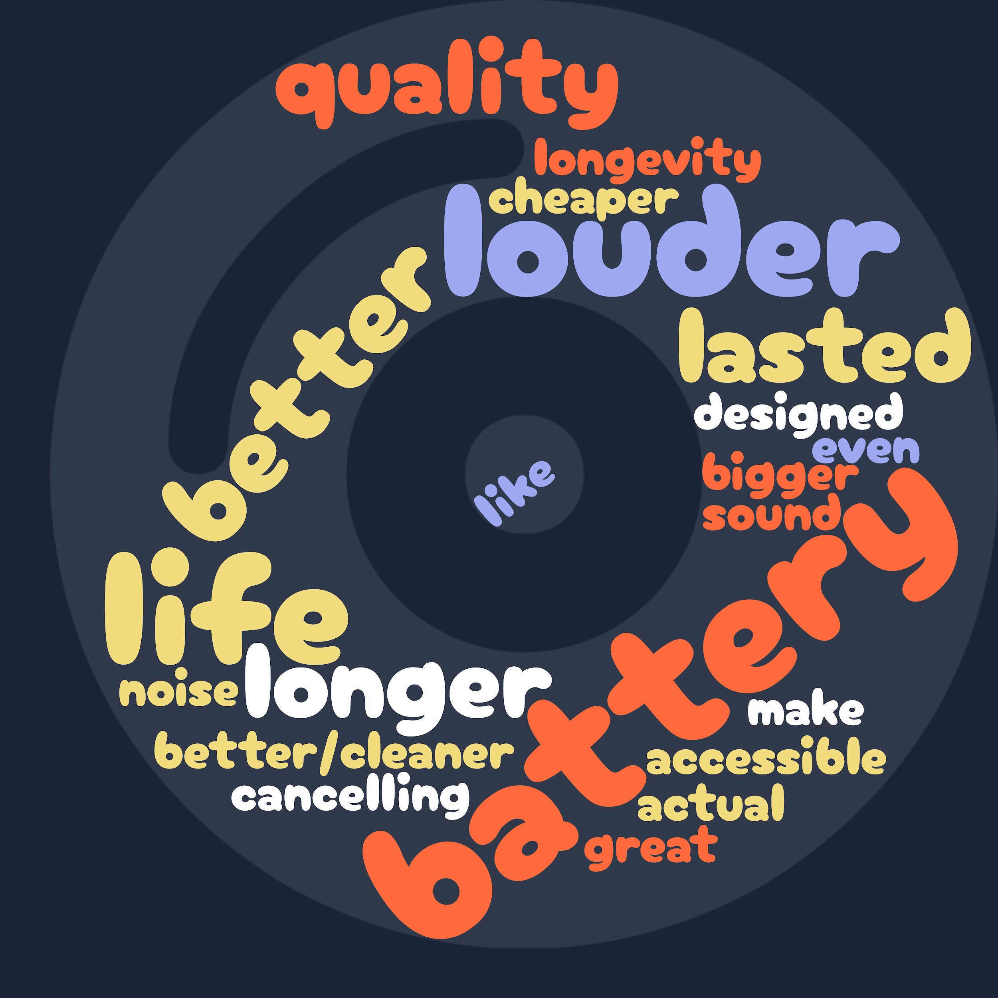
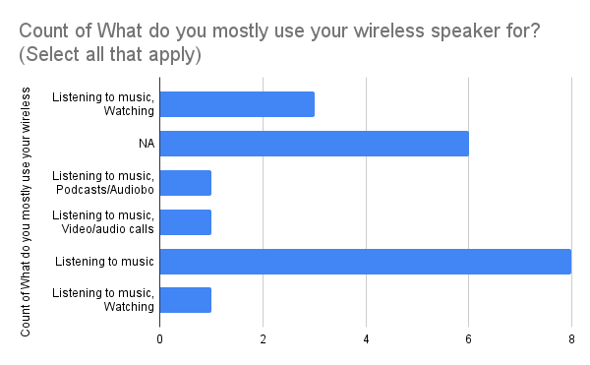

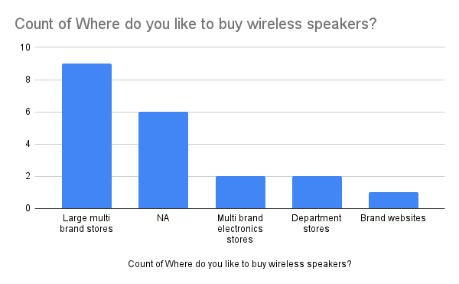

What's most important to you in a wireless speaker? [Sound quality]
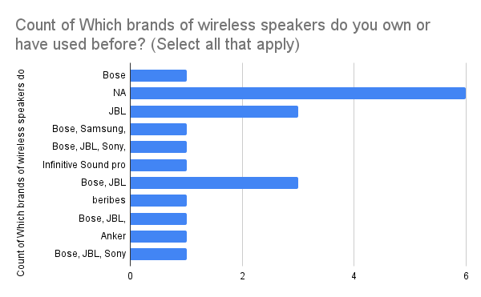
How likely are you to buy a new wireless speaker in the next 12 months?

